Sheet1
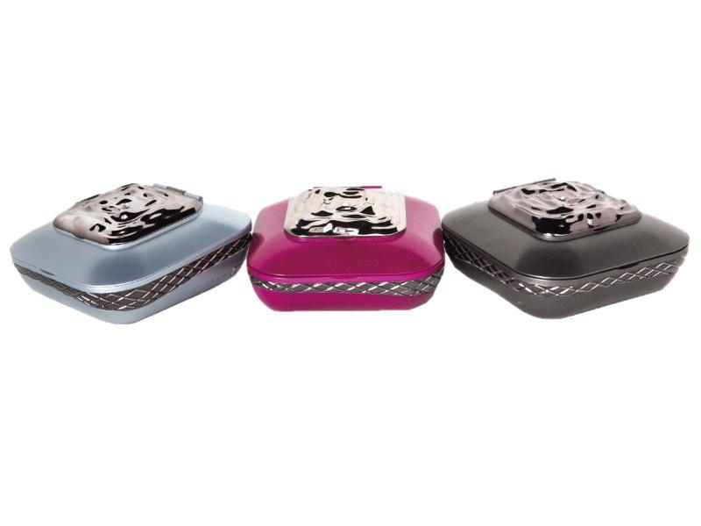
Picture | Item code | Description | Extra information | Restriction | Stock | Sales price EXW | Retail price | Barcode | Quantity PU | Quantity pallet | Pallet | Origin | Customs code | Item weight | Languages on package | Group
 | S-07908 | I’mUp - Make Up Kit With An Integrated Power Bank, Stone Grey |  |  | 1242 | 9.99 | 44.99 | 8058774240117 | 24 |  |  | CN | 8507600090 | 445 | gb | I’mUp - Make Up Kit With An Integrated Power Bank
 | S-07906 | I’mUp - Make Up Kit With An Integrated Power Bank, Arctic |  |  | 587 | 9.99 | 44.99 | 8058774240094 | 24 |  |  | CN | 8507600090 | 445 | gb | I’mUp - Make Up Kit With An Integrated Power Bank

